Sheet1
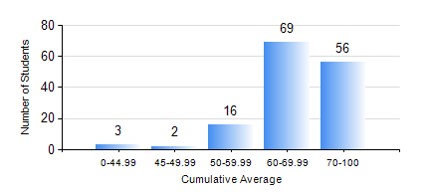
 |  |  | KWAME NKRUMAH UNIVERSITY OF SCIENCE AND TECHNOLOGY, KUMASI Department of Geological Engineering

 |  |  | BSC. GEOLOGICAL ENG.

 |  |  | COMPREHENSIVE RECORD OF EXAMINATION RESULTS

 |  |  | RESULTS OF YEAR 3 FIRST SEMESTER, 2020/2021 ACADEMIC YEAR

 | Sn | Course Code |  | Course Name | Credit Hours | Min. Mark | Max. Mark | Avg. Mark | Std. Dev. | No. Passed | No. Trailed | No. (Df) | No. (I) | No. (I*) | No. Tagged(I,I*,Df) | Total
 | 0. |  |  |  |  |  |  | 0 | 0 | 0 | 0 | 0 | 0 | 0 | 0 | 10
 | 1. | CE 359 |  | SOIL MECHANICS | 3 | 18 | 99 | 65 | 14.91 | 132 | 4 | 0 | 0 | 0 | 0 | 136
 | 2. | GED 351 |  | PETROLOGY | 3 | 34 | 89 | 69 | 11.43 | 134 | 2 | 0 | 0 | 0 | 0 | 136
 | 3. | GED 357 |  | BASIC HYDROLOGY | 2 | 14 | 89 | 59 | 13.62 | 130 | 6 | 0 | 0 | 0 | 0 | 136
 | 4. | GED 365 |  | GEOLOGICAL FIELD MAPPPING | 3 | 7 | 83 | 71 | 7.61 | 135 | 1 | 0 | 0 | 0 | 0 | 136
 | 5. | GED 369 |  | PHOTOGEOLOGY AND REMOTE SENSING | 3 | 40 | 85 | 64 | 10.25 | 136 | 0 | 0 | 0 | 0 | 0 | 136
 | 6. | GED 375 |  | PRINCIPLES OF ENGINEERING GEOLOGY | 2 | 40 | 94 | 72 | 13.05 | 136 | 0 | 0 | 0 | 0 | 0 | 136
 | 7. | MATH 351 |  | NUMERICAL ANALYSIS | 2 | 43 | 93 | 61 | 7.2 | 136 | 0 | 0 | 0 | 0 | 0 | 136
 | 8. | MATH 353 |  | PROBABILTY AND STATISTICS | 2 | 38 | 86 | 69 | 8.32 | 135 | 1 | 0 | 0 | 0 | 0 | 136

